Coastal management system
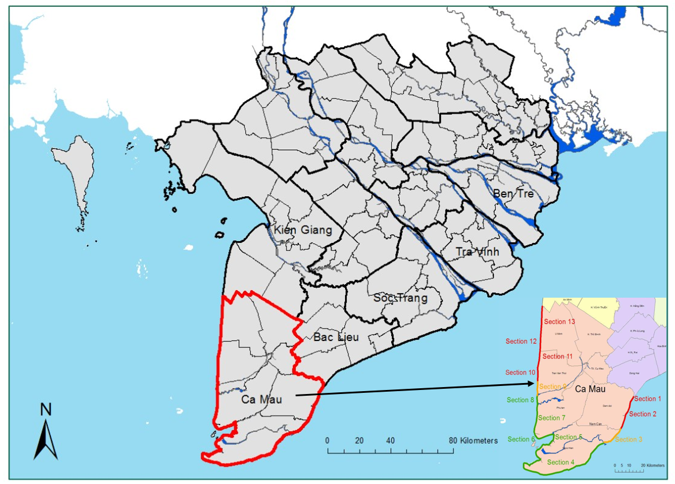
District | Section | Coastline at high erosion risk (km) | Mangrove-belt width | Protected by sea dikes | Propositions for the mangroves
Dam Doi | 1 | 0.8 | <450 | No | Planting
 | 2 | 22 | <500 | No | Planting
Nam Can (East Coast) | 3 | 15 | <200m | No | Planting
Ngoc Hien | 4 | No serious erosion reported
Nam Can (West Coast) | 5
Phu Tan | 6
 | 7 | 16.5 | 450-1000m | Yes | Rehabilitating
Tran Van Thoi | 8 | 5.4 | 500-800m | Yes | Rehabilitating
 | 9 | 9.4 | >800m | Yes | Rehabilitating
 | 10 | 8.2 | <50m | Yes | Planting
 | 11 | 10.3 | 100-200m | Yes | Planting
U Minh | 12 | 10 | 100-450m | Yes | Planting
 | 13 | 18 | <450m | Yes | Planting

